Sheet1
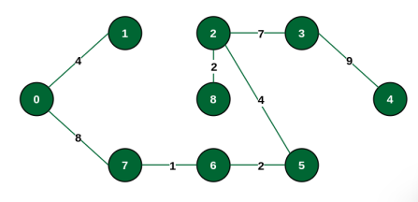
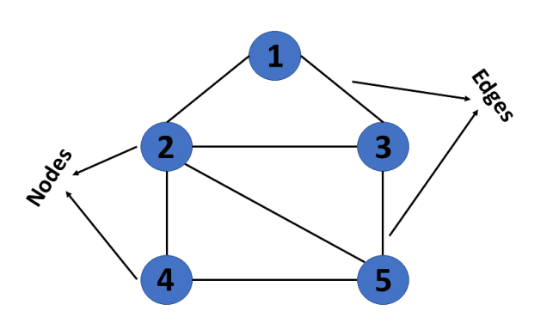
 |  |  |  |  | Graphs
 |  |  |  |  |  |  |  |  |  |  |  |  |  | https://github.com/Thanu10ekoon/DSA

 |  |  |  |  |  |  |  |  |  |  |  | Edges = Arcs
 |  |  |  |  |  |  |  |  |  |  |  | Vertices = Nodes

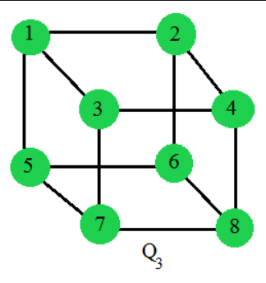
 | Types of Graphs

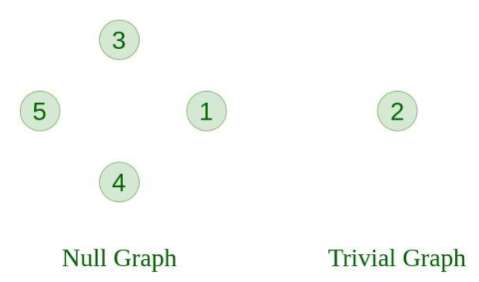
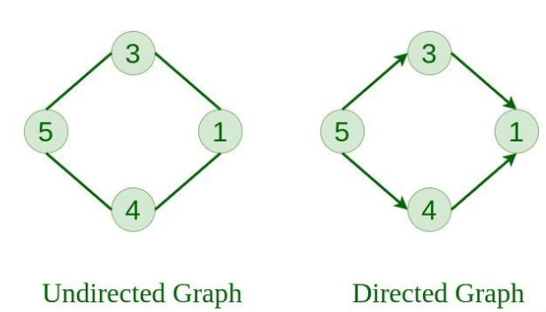
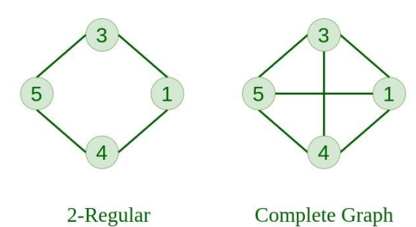

Unweighted
Unweighted

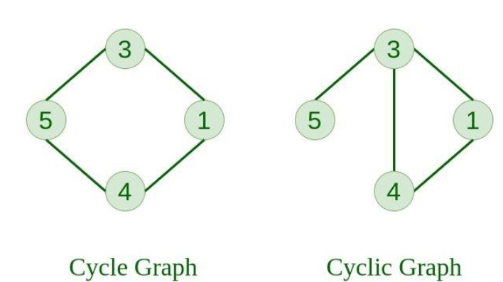
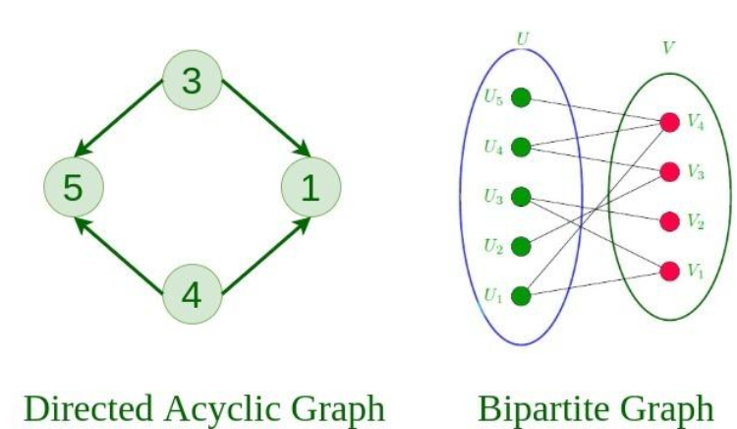

3
2
3
2

6
8
6
8

Weighted
Weighted

*Tree is also a subtype of Graphs

 | Representation of Graphs

 |  |  | Adjacency MATRIX

Graph

 |  |  | Adjacency LIST

 | 1) Adjacency MATRIX

I) Unweighted - Undirected

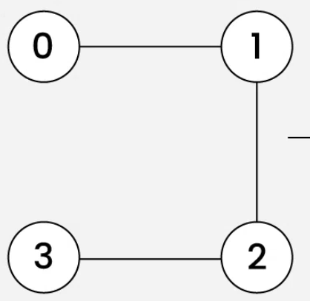
 |  |  |  |  |  |  | 0 | 1 | 2 | 3
 |  |  |  |  |  | 0 | 0 | 1 | 0 | 0 |  |  | 0 | 1
 |  |  |  |  |  | 1 | 1 | 0 | 1 | 0
 |  |  |  |  |  | 2 | 0 | 1 | 0 | 1
 |  |  |  |  |  | 3 | 0 | 0 | 1 | 0

II) Undirected - Weighted

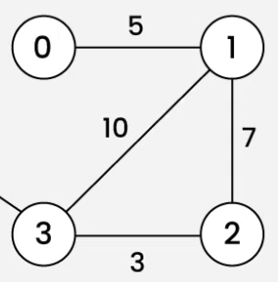
 |  |  |  |  |  |  | 0 | 1 | 2 | 3
 |  |  |  |  |  | 0 | ∞ | 5 | ∞ | ∞ |  |  |  |  |  |  |  |  |  | W | ∞
 |  |  |  |  |  | 1 | 5 | ∞ | 7 | 10
 |  |  |  |  |  | 2 | ∞ | 7 | ∞ | 3
 |  |  |  |  |  | 3 | ∞ | 10 | 3 | ∞

III) Directed - Unweighted

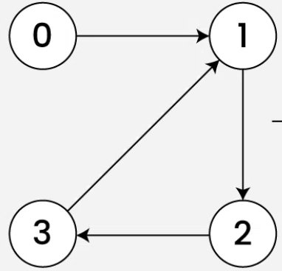
 |  |  |  |  |  |  | 0 | 1 | 2 | 3
 |  |  |  |  |  | 0 | 0 | 1 | 0 | 0 |  |  | 0 | 1
 |  |  |  |  |  | 1 | 0 | 0 | 1 | 0
 |  |  |  |  |  | 2 | 0 | 0 | 0 | 1
 |  |  |  |  |  | 3 | 0 | 1 | 0 | 0

IV) Directed - Weighted

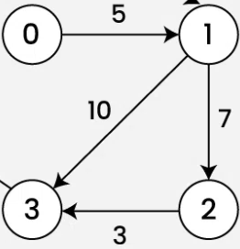
 |  |  |  |  |  |  | 0 | 1 | 2 | 3 |  |  |  |  |  |  |  |  |  |  | ∞
 |  |  |  |  |  | 0 | ∞ | 5 | ∞ | ∞ |  |  | w | ∞
 |  |  |  |  |  | 1 | ∞ | ∞ | 7 | 10
 |  |  |  |  |  | 2 | ∞ | ∞ | ∞ | 3
 |  |  |  |  |  | 3 | ∞ | ∞ | ∞ | ∞

 | 2) Adjacency LIST

I) Unweighted - Undirected

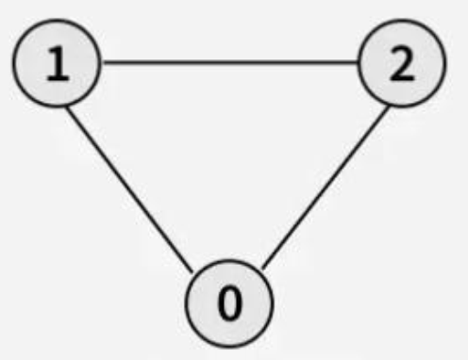

 |  |  |  |  |  |  |  | 0 |  | 1 | 2

 |  |  |  |  |  |  |  | 1 |  | 0 | 2

 |  |  |  |  |  |  |  | 2 |  | 0 | 1

II) Directed - Unweighted
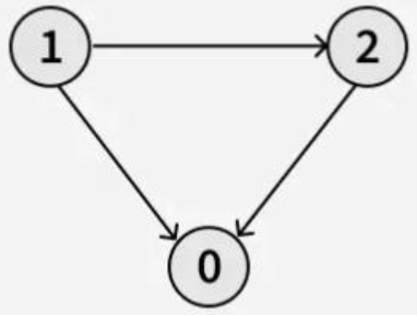

 |  |  |  |  |  | 0

 |  |  |  |  |  | 1 |  | 0 | 1

 |  |  |  |  |  | 2 |  | 0

III) Undirected - Weighted
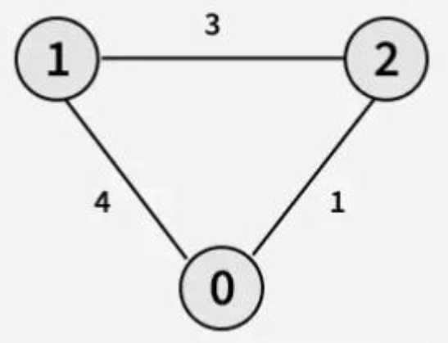

 |  |  |  |  |  | 0 |  | {1,4} | {2,1} |  | {V=1,W=4}

 |  |  |  |  |  | 1 |  | {0,4} | {2,3}

 |  |  |  |  |  | 2 |  | {0,1} | {1,3}

IV) Directed - Weighted

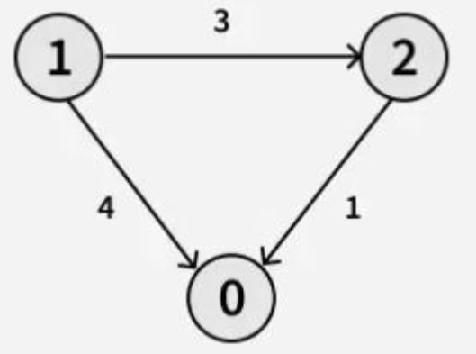
 |  |  |  |  |  | 0

 |  |  |  |  |  | 1 |  | {0,4} | {2,3}

 |  |  |  |  |  | 2 |  | {0,1}

 | Graph Traversals
 |  |  |  |  |  |  |  |  |  |  |  |  |  |  |  |  |  |  |  |  |  |  | BFS | DFS
 | 1) BFS

 |  |  |  | 1 |  |  | 3
 |  |  |  |  |  |  |  |  |  | 0 | 1 | 2 | 3 | 4
 |  |  |  |  |  |  |  |  |  | T | T | T | T | T |  | Visited
 |  | 0
 |  |  |  |  |  |  |  |  |  | 0 | 1 | 2 | 3 | 4 |  | Queue

 |  |  |  | 2 |  |  | 4 |  |  | 0 | 1 | 2 | 3 | 4 |  | Output

 | 2) DFS

 |  | 0 |  |  |  | 1 |  | 0 | 1 | 2 | 3 | 4
 |  |  |  |  |  |  |  | T | T | T | T | T | Visited
 |  |  |  | 2
 |  |  |  |  |  |  |  | 0 | 1 | 2 | 4 | 3 | Output
 |  | 3 |  |  |  | 4

 |  |  |  |  |  |  |  | 0 | 3 | 2 | 4 | 1 | output1 |  |  |  |  |  |  | 3
 |  |  |  |  |  |  |  |  |  |  |  |  |  |  |  |  |  |  |  | 4
 |  |  |  |  |  |  |  |  |  |  |  |  |  |  |  |  |  |  |  | 2
 |  |  |  |  |  |  |  |  |  |  |  |  |  |  |  |  |  |  |  | 1
 |  |  |  |  |  |  |  |  |  |  |  |  |  |  |  |  |  |  |  | 0
 |  |  |  |  |  |  |  |  |  |  |  |  |  |  |  | Stack

 |  | Directed
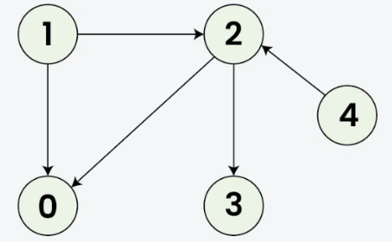
 |  |  |  |  |  |  | 0 | 1 | 2 | 3 | 4
 |  |  |  |  |  |  | T | T | T | T |  | Visited

 |  |  |  |  |  |  | 1 | 0 | 2 | 3 |  | Output2

 |  |  |  |  |  |  | 1 | 0 |  |  |  | Output

 |  |  |  |  |  |  |  |  |  |  |  |  |  |  |  |  |  |  | 3
 |  |  |  |  |  |  |  |  |  |  |  |  |  |  |  |  |  |  | 2
 |  |  |  |  |  |  |  |  |  |  |  |  |  |  | 0 |  |  |  | 1
 |  |  |  |  |  |  |  |  |  |  |  |  |  |  | Stack

 | Dijkstra Algorithm

 | A |  |  | C |  | 5 |  | F
 | ∞ | 3 |  | ∞ |  |  |  | ∞ |  | Node |  | Shortest Distance |  |  | Final Shortest Distance |  |  | Previous Node
 | 4 |  |  | 6 |  |  |  | 11
 |  |  |  |  | 2 |  |  | 10 |  | A | ∞ | 4 |  |  | 4 |  | D |  | D |  |  | ∞
 |  |  |  |  |  | B | 2 |  |  | B | ∞ | 8 |  |  | 8 |  | C |  | C
 |  |  |  |  |  | ∞ |  |  |  | C | ∞ | 6 |  |  | 6 |  | E |  | E
4 | 4 |  | 4 |  |  | 8 |  |  |  | D | 0 |  |  |  | 0 |  | - |  | -
 |  |  |  |  |  |  |  |  |  | E | ∞ | 2 |  |  | 2 |  | D |  | D
 |  |  |  |  | 5 |  |  |  |  | F | ∞ | 11 | 10 |  | 10 |  | C | B | B
 |  |  |  |  |  |  | 5 |  |  | G | ∞ | 7 |  |  | 7 |  | E |  | E

0 | 2 | ∞ |  | 5 |  | ∞
 |  | 2 |  |  |  | 7

D |  | E |  |  |  | G

 | Bellman-Ford Algorithm

 |  |  |  |  |  |  |  |  | *Iterations = Nodes - 1

 |  |  |  | S |  |  |  |  | *Time Complexity = O(VxE)

 |  | 8 |  |  |  | 10 |  |  |  | S | A | B | C | D | E |  |  | ∞
 |  |  |  |  |  |  |  |  | I1 | 0 | 10 | 10 | 12 | 9 | 8
 |  |  |  |  |  |  |  |  | I2 | 0 | 5 | 10 | 8 | 9 | 8
 |  |  |  |  |  |  |  |  | I3 | 0 | 5 | 5 | 7 | 9 | 8
 | E |  |  |  |  |  | A |  | I4 | 0 | 5 | 5 | 7 | 9 | 8
 |  |  |  |  |  |  |  |  | I5

 |  |  | -4
 | 1 |  |  |  |  |  | 1

 |  |  |  |  | 2 |  | B
 | D

 |  |  |  |  |  | -2
 |  | -1

 |  |  |  | C

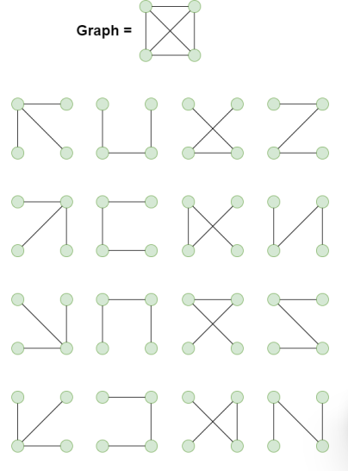
 | Spaning Tree

$$N^{N−2}$$
*Cayley's Formula ==>

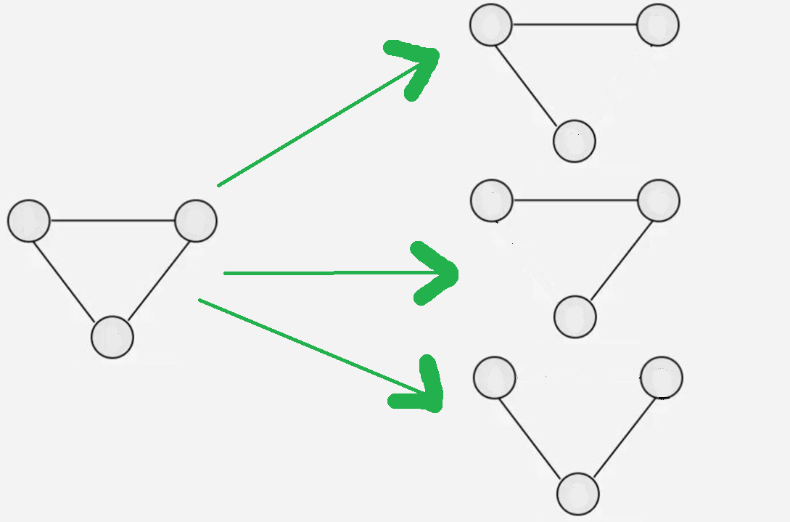

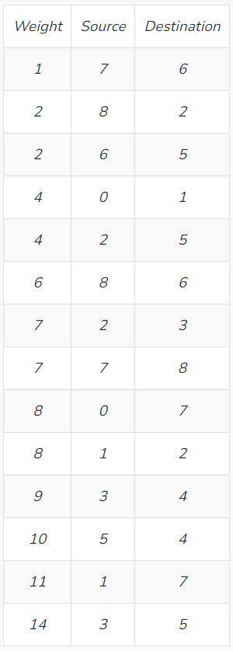
 | Kruskal's Algorithm

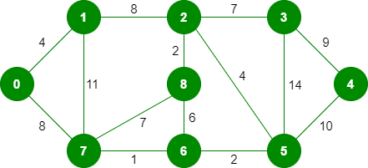

 | Prim's Algorithm

 |  |  |  |  |  | 8 |  |  | 7
 |  |  |  |  | B |  |  | G |  |  | H

 |  |  |  |  |  |  |  |  |  |  |  | 9
 |  |  | 4
 |  |  |  |  |  |  |  | 2

 |  |  |  |  |  |  |  |  |  |  | 14
 |  |  |  |  | 11
 | A |  |  |  |  |  |  | F | 4 |  |  |  |  | I

 |  |  |  |  |  | 7
 |  |  |  |  |  |  |  | 6
 |  |  |  |  |  |  |  |  |  |  |  |  | 10
 |  |  | 8

 |  |  |  |  | C | 1 |  | D | 2 |  | E

